2020
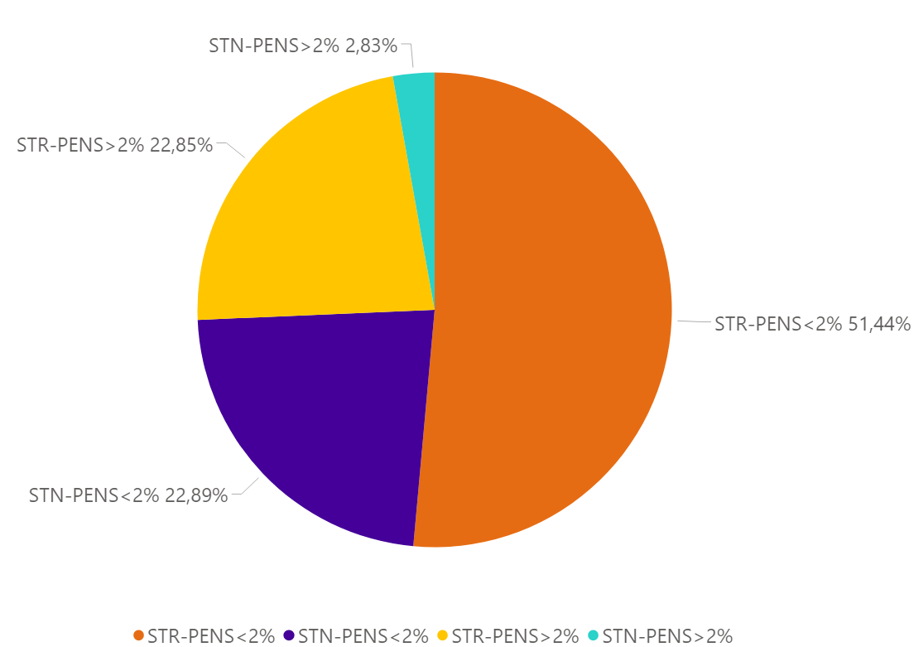
Eventos 2020
TIPO-PENS | % eventos | eventos
STR-PENS>2% | 22.85% | 533
STR-PENS<2% | 51.44% | 1200
STN-PENS>2% | 2.83% | 66
STN-PENS<2% | 22.89% | 534
 | 100% | 2333

2021
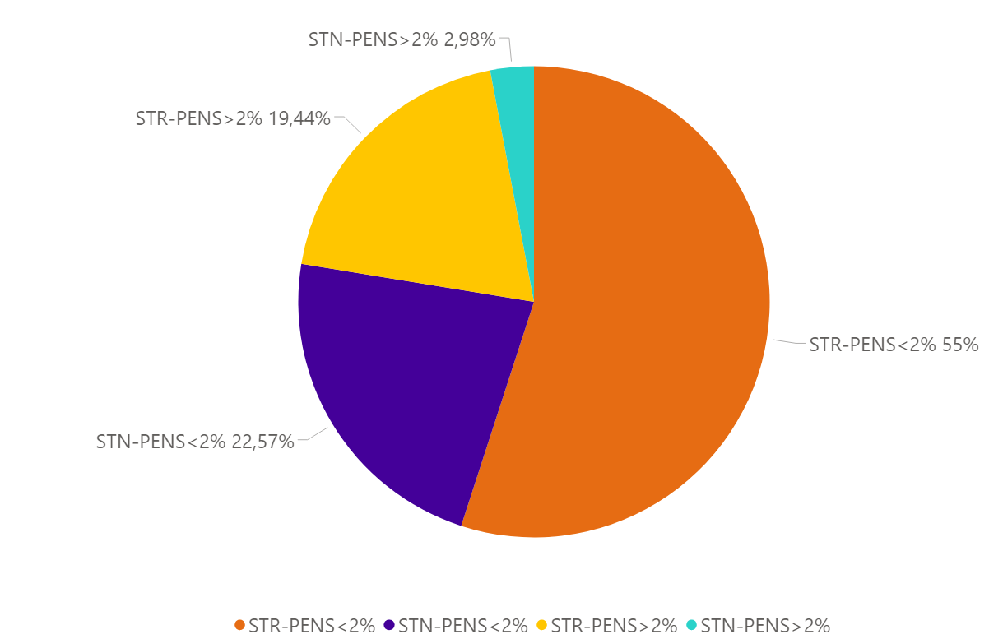
Eventos 2021
TIPO-PENS | %eventos | eventos
STR-PENS>2% | 19.44% | 515
STR-PENS<2% | 55.00% | 1457
STN-PENS>2% | 2.98% | 79
STN-PENS<2% | 22.57% | 598
Total | 100% | 2649

PENS < 2%
1972
677
STR
STN
+
2649
=
TOTAL
STR
STN
PENS < 2% = 1457
SIN DNA = 1306
DNA > 0 = 151
PENS > 2% = 515
SIN DNA = 353
DNA > 0 = 162
PENS < 2% = 598
SIN DNA = 584
DNA > 0 = 14
PENS > 2% = 79
SIN DNA = 77
DNA > 0 = 2

